Stencils
 |  |  | One Point Lesson

Version: |  | 1 |  | Document #:
Effective Date: |  | 2025-04-16 |  | Department: | Vinyl 1500
Title |  | Airbrushing Black/Black Material

 | Individual Training Not Required; Posted as General Communication

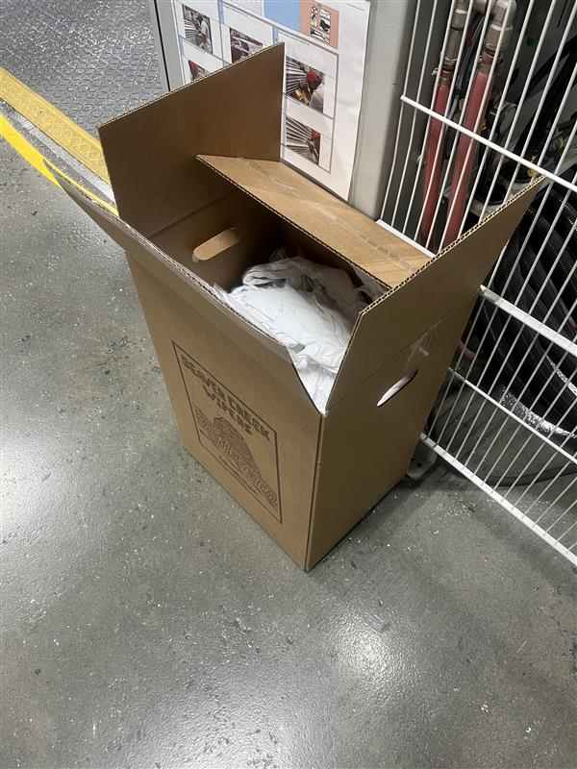
Rags can be found at the beginning of the lines in brown cardboard boxes.
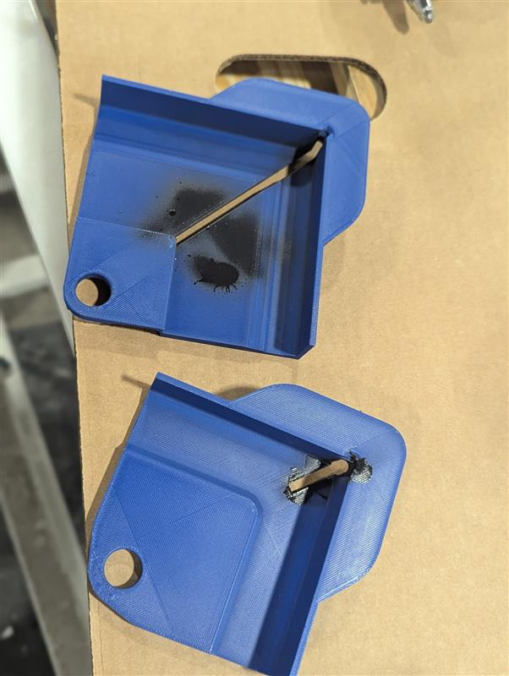
At the end of each shift grab the stencils that were used and wipe them down using a rag and mineral spirits.

All solid waste needs to be deposited into the blue barrels at the end of the lines.
The red canister holds the mineral spirits. Press down on the grey top with a rag to wet the rag.

 | Name |  |  | Date
 | K Hudgins |  |  | 2025-07-28

